开关机
Features | solution
Boot | Plug in the power to automatically boot
Shut down | Use the shutdown button on the remote control and press to shut down | 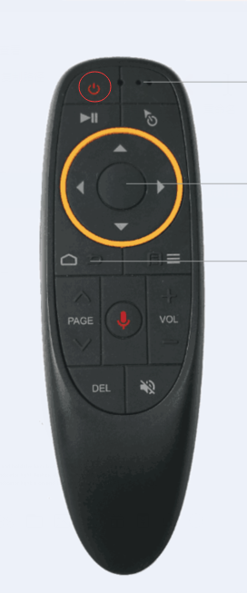

无线传输
功能 | 解决方案
Bluetooth pairing | 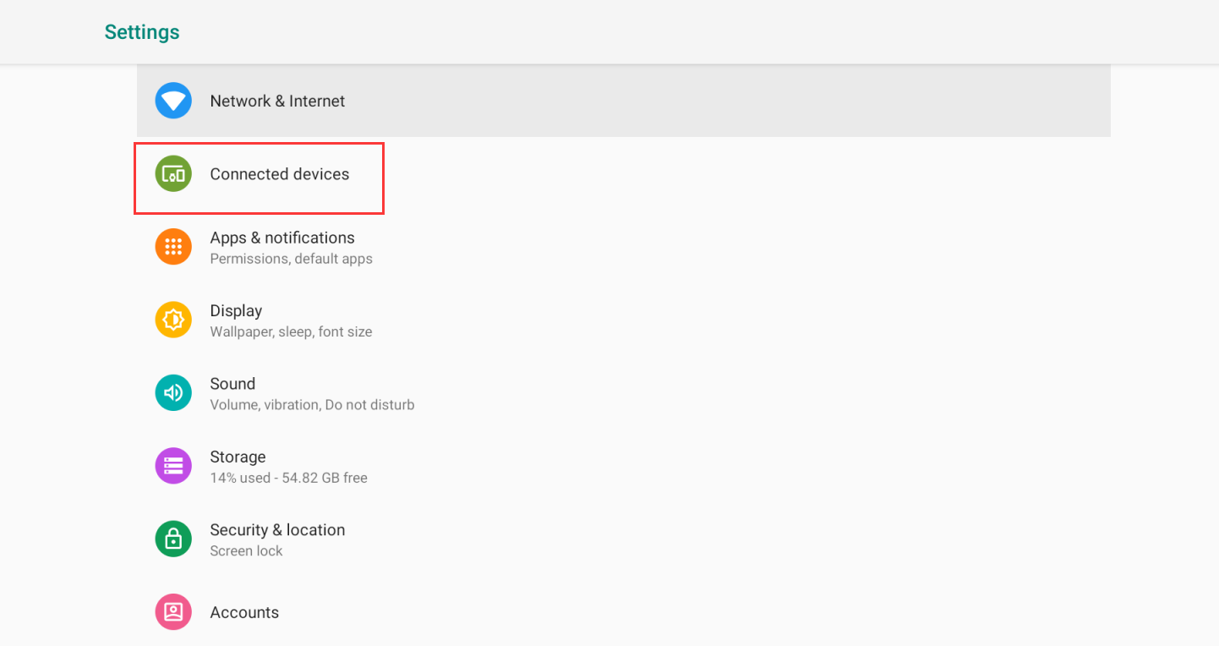 After turning on the Bluetooth in the settings, after turning on the Bluetooth switch, the box will automatically detect the nearby connected Bluetooth devices, and the right mouse click will automatically recognize the connection. |  |  | 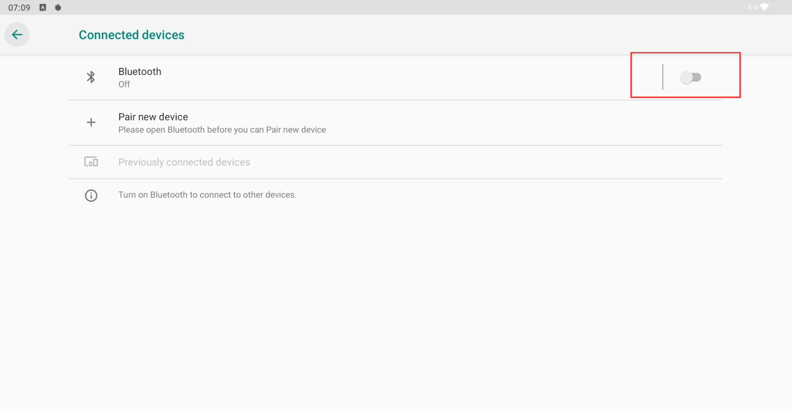
WiFi connection | Open the "Network and Internet" in the settings and open the WiFi option. Select a hotspot and enter the password to connect. (When using the Bluetooth function, it is recommended to use 5.8GWiFi to avoid conflict between WiFi and Bluetooth, affecting each other) |  | 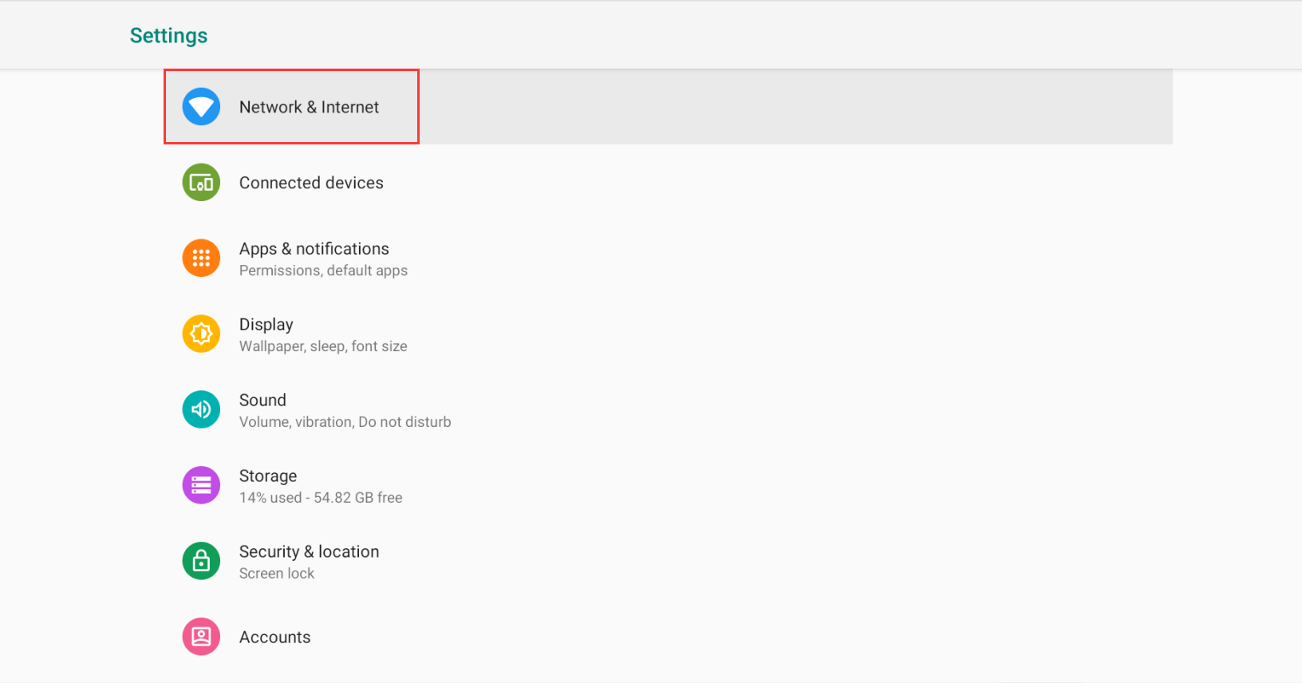 |  | 
Portable hotspot | When connected to the Ethernet, open the "Network and Internet" in the settings to enter the portable hotspot function, you can open the portable hotspot. | 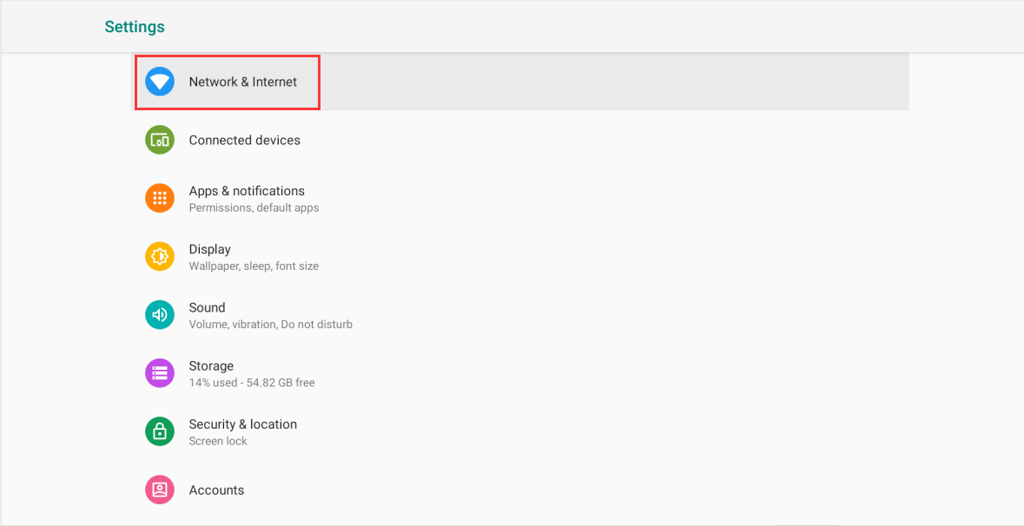 |  | 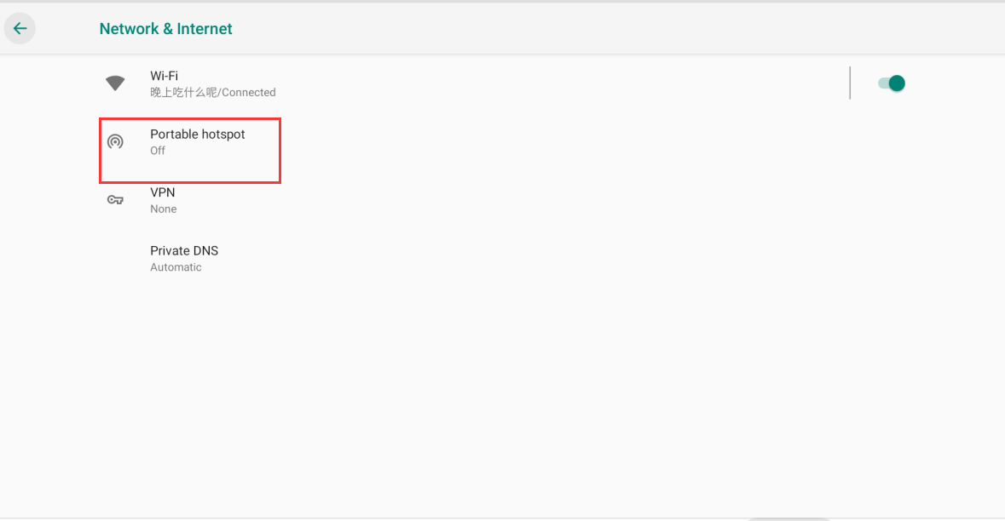 |  | 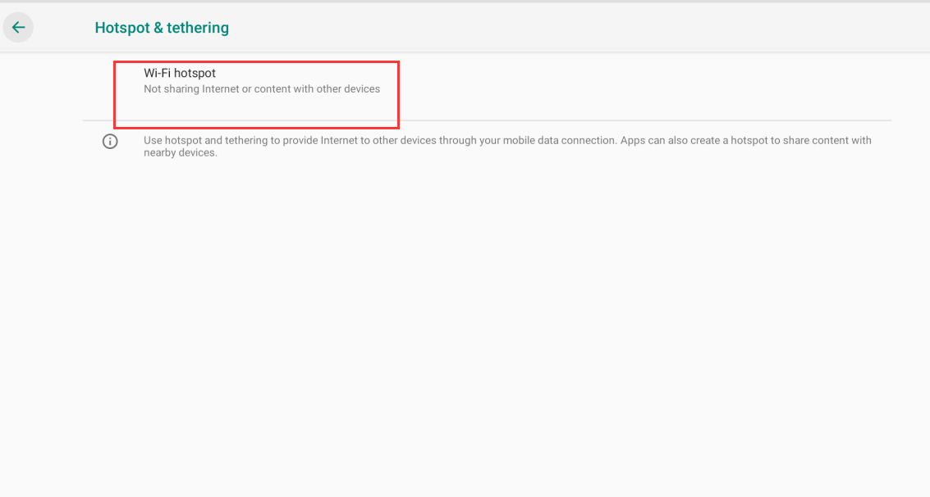 | 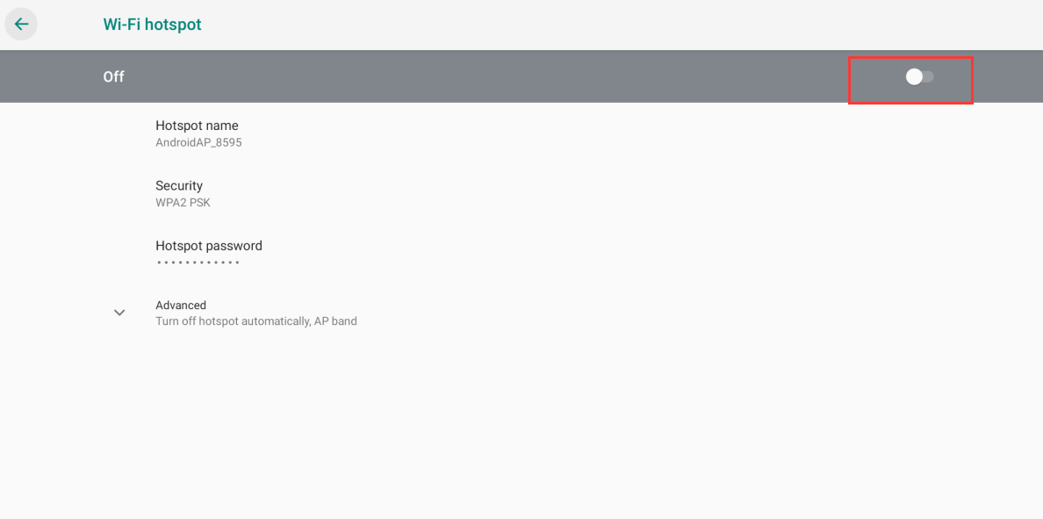

语音遥控器
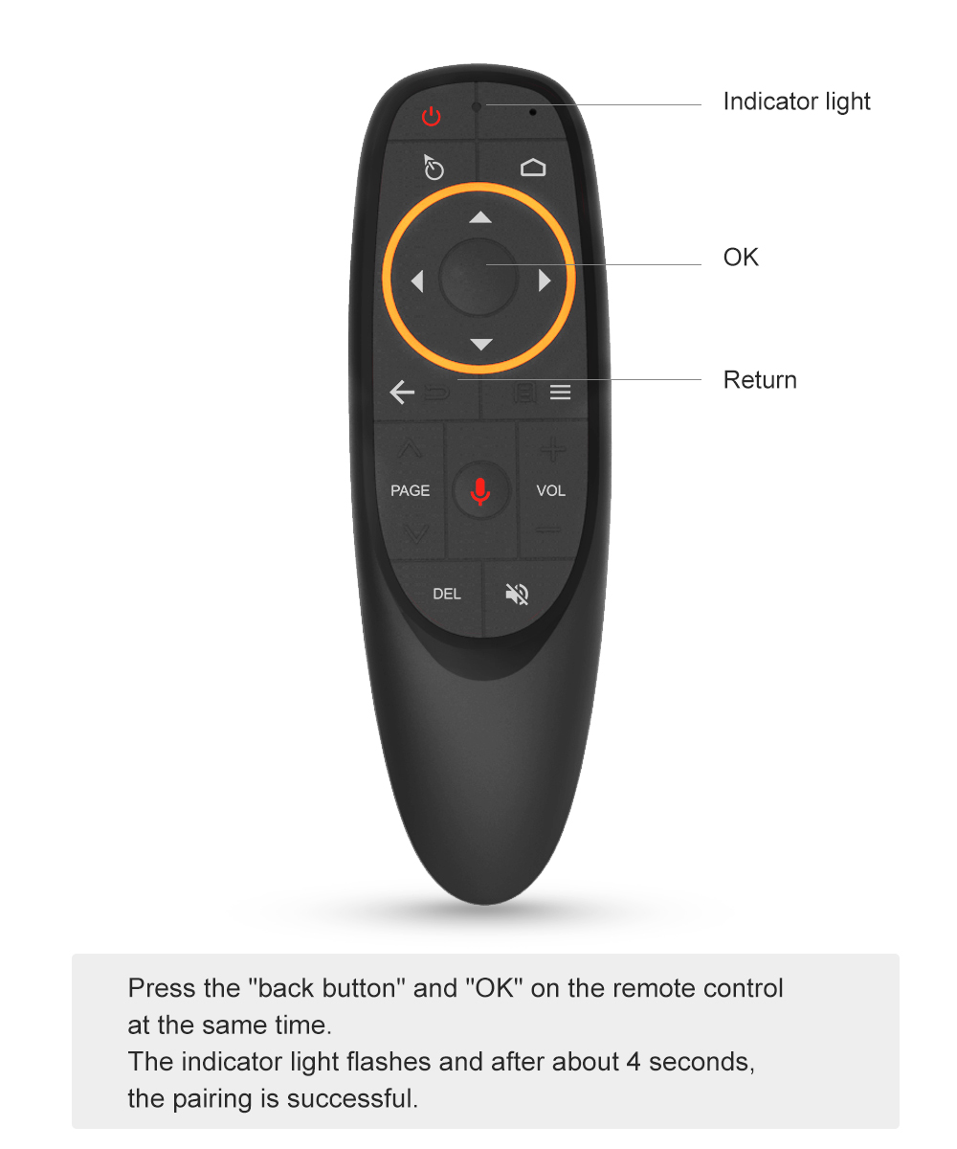
功能 | 解决方案
Remote control pairing | At the same time, press the “back button” and “ok” on the remote control, the indicator light flashes, and after about 4 seconds, the remote control pairing is completed.
Voice input method | Press and hold the voice button, the indicator light is green and flashing. Do not release the voice button when the screen says “Whit is listening...”, just say the function you need to search.
飞鼠功能如何开启和关闭 | 按下遥控器上的飞鼠键，飞鼠How to open and close the flying mouse function 功能即可关闭，再次按下飞鼠键，飞鼠功能再次开启。

播放设置
功能 | 解决方案
sound | 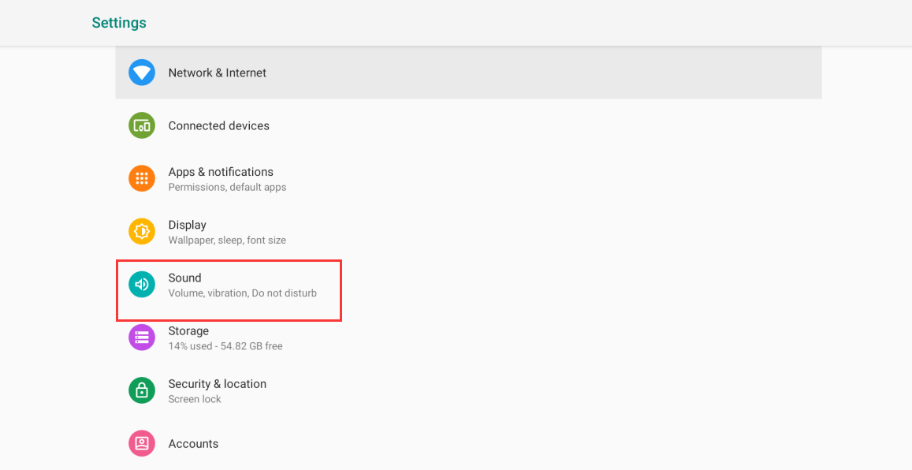 Settings -> Droid Settings -> More Settings -> Sound, you can modify the size of the sound by dragging the progress bar of the sound. | 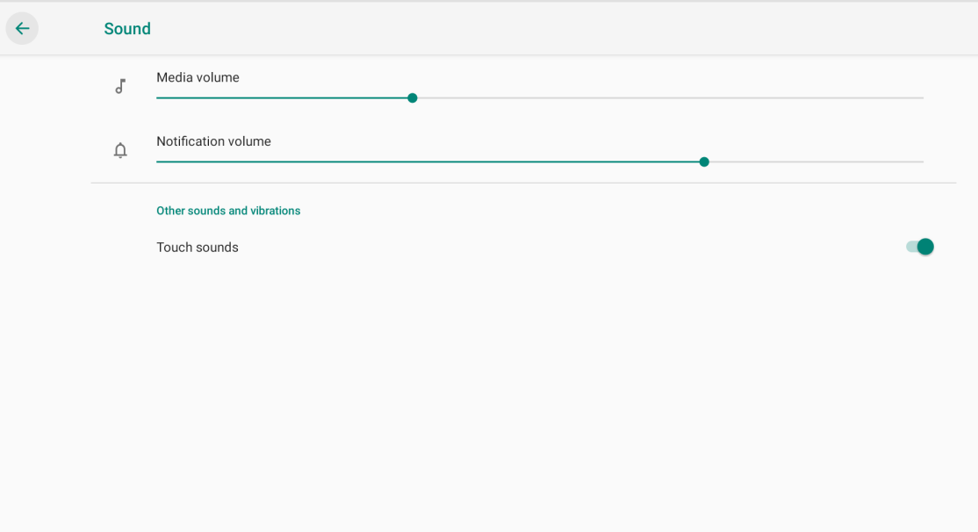
Screen brightness | Settings -> Droid Settings -> More Settings -> Brightness, you can adjust the brightness by dragging the brightness progress bar.

个性化管理
Item | 解决方案
Resolution | In the settings, find "Droid Settings" to open and enter the display menu. After finding the screen resolution, you only need to turn on the automatic switching of the optimal screen resolution. | 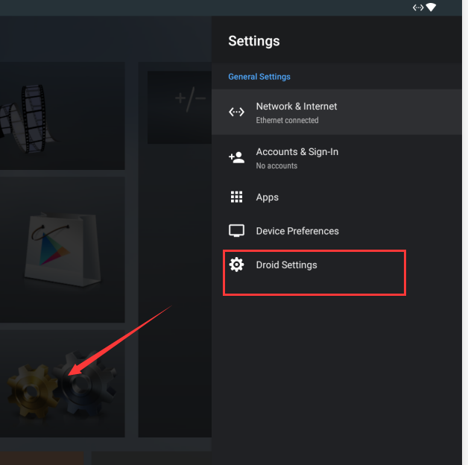 | 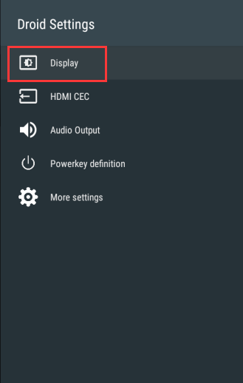 |  |  | 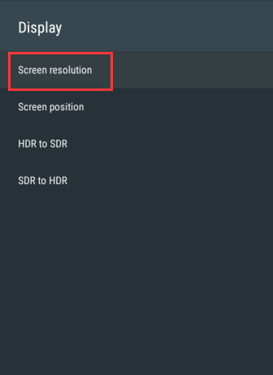 |  | 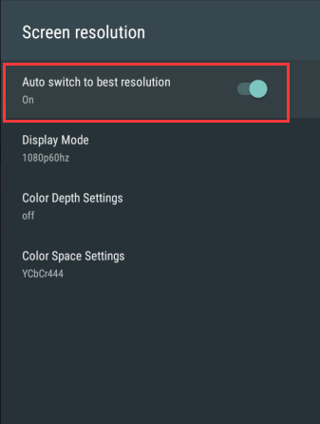
Wallpaper | 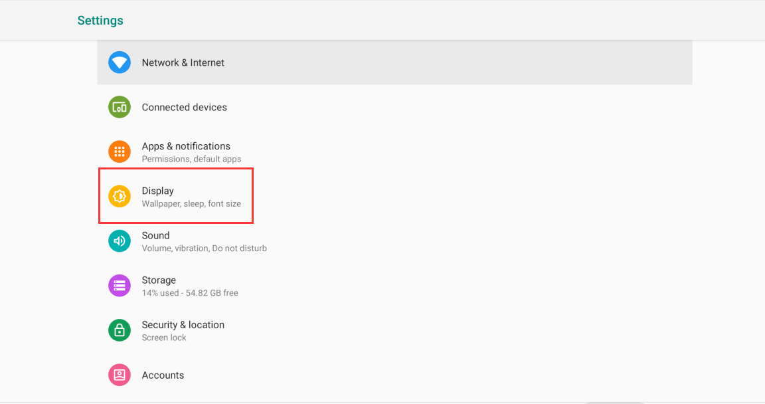 Wallpaper function can download wallpaper software in APPMarket, or you can directly download your favorite wallpaper, then you can switch your favorite wallpaper from "Settings" - "Display" - "Wallpaper" |  |  |  |  |  | 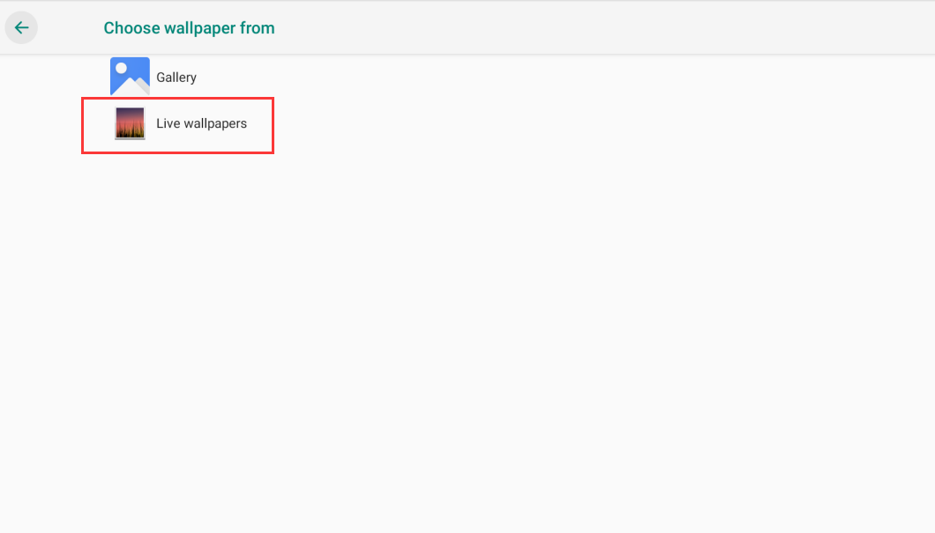
添加桌面小工具 | 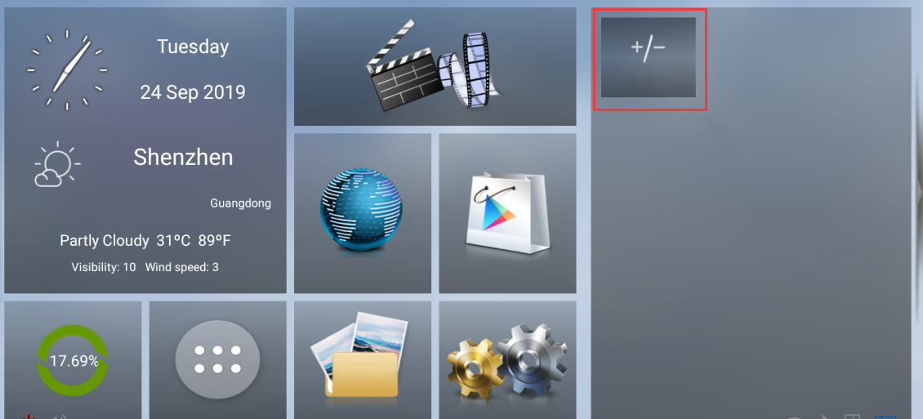 You can add your favorite apps to your desktop by clicking the "+/-" symbol in the blank page at the top right of the screen.
Sleep | Set your own sleep time from “Settings” - “Display” - “Hibernate”. After the setting is successful, the box will enter the sleep mode within the set time. If you need to turn off the sleep mode, you need to find the version number from "Settings" - "System" - "About the device", then left click this option to open the developer option 5 times or more. The developer option can be clicked once to return to the "System" interface, and the "Developer Options" can be found in the system interface. After the developer option is turned on, the screen sleep mode can be turned off directly from the "No Lock Screen". | 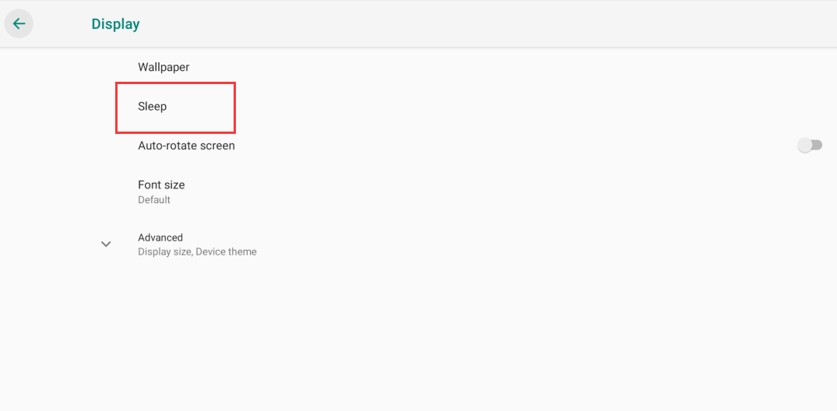 |  |  |  | 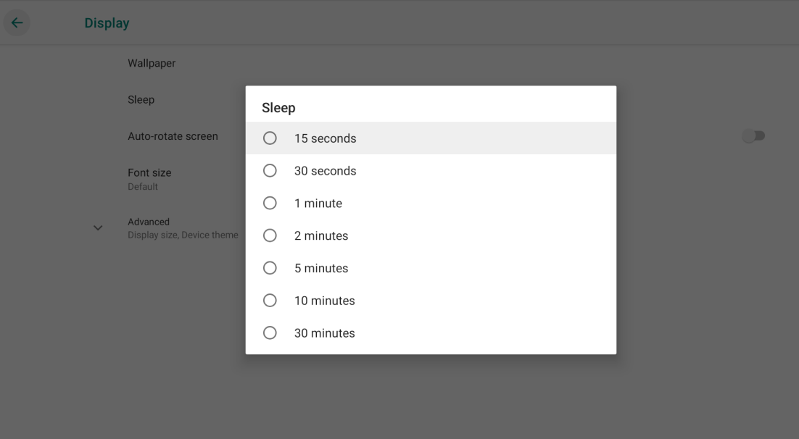 |  |  | 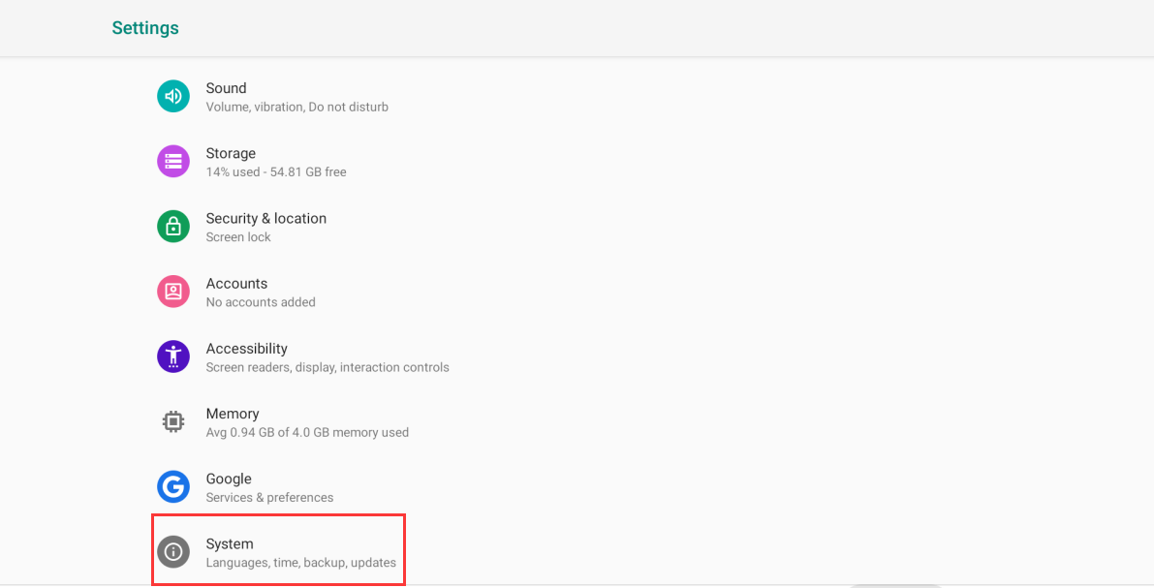 | 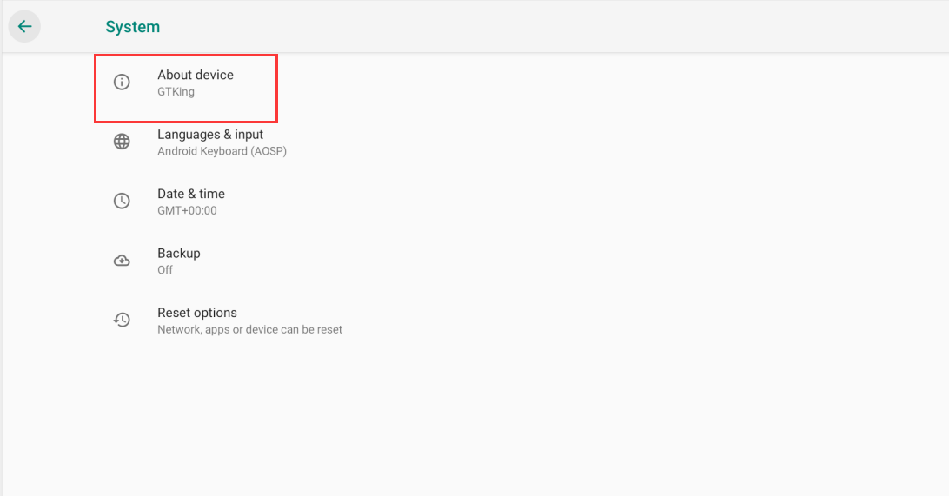 | 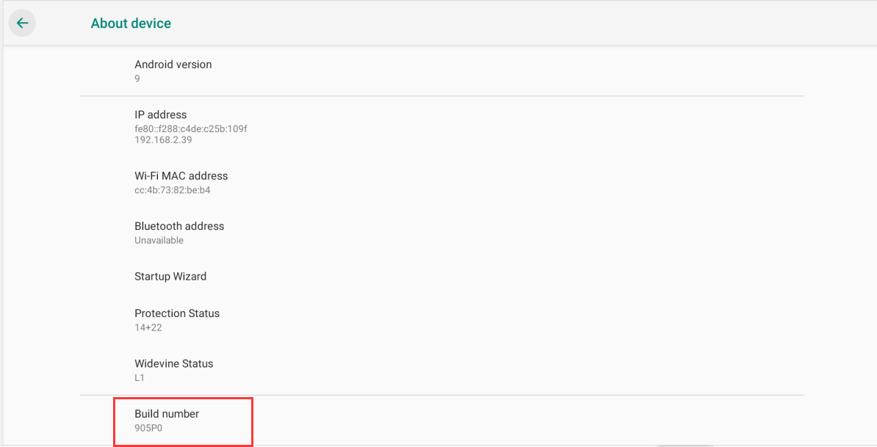 | 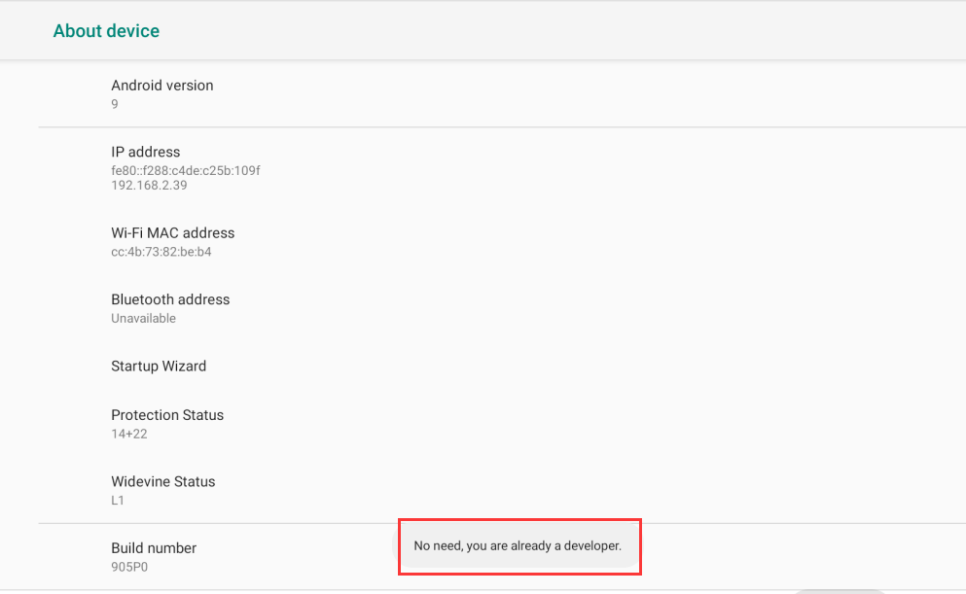 | 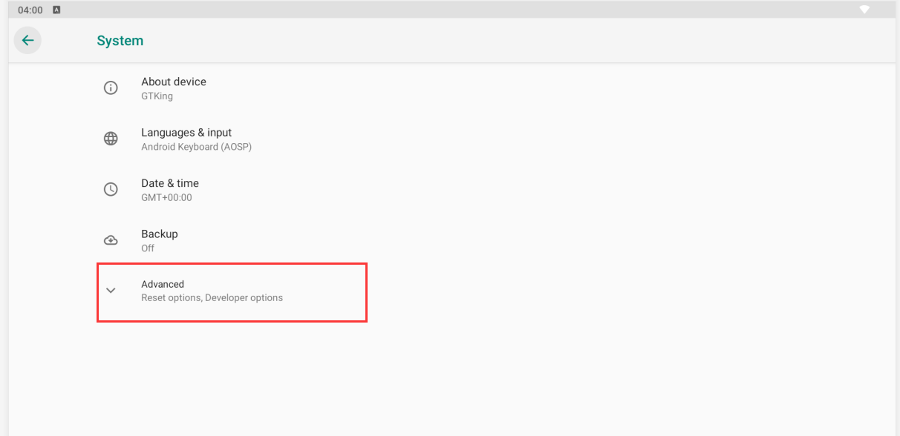 | 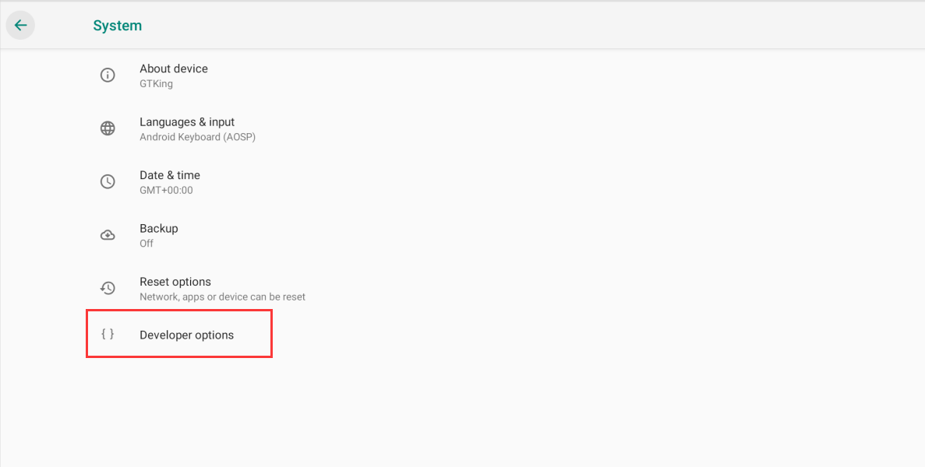 | 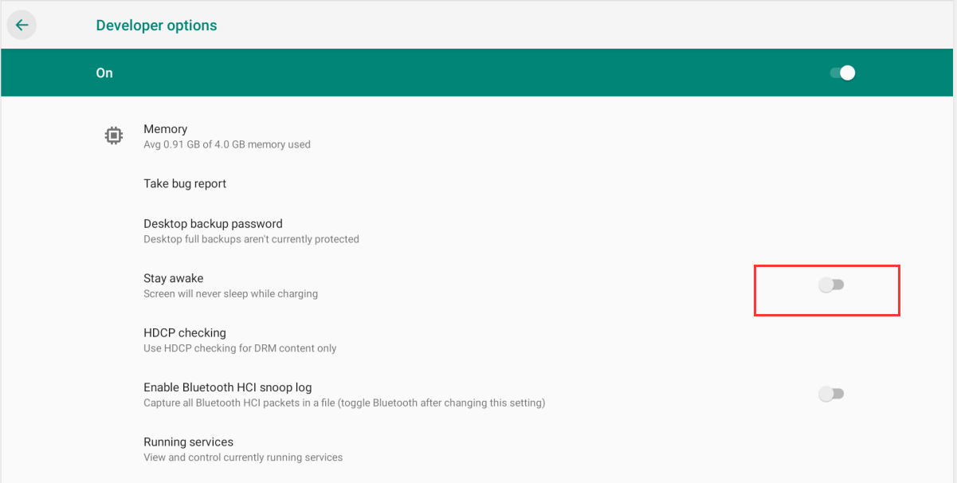
font size | The font size can be adjusted by dragging to a small dot on the progress bar after "Settings" - "Display" - "Font Size". | 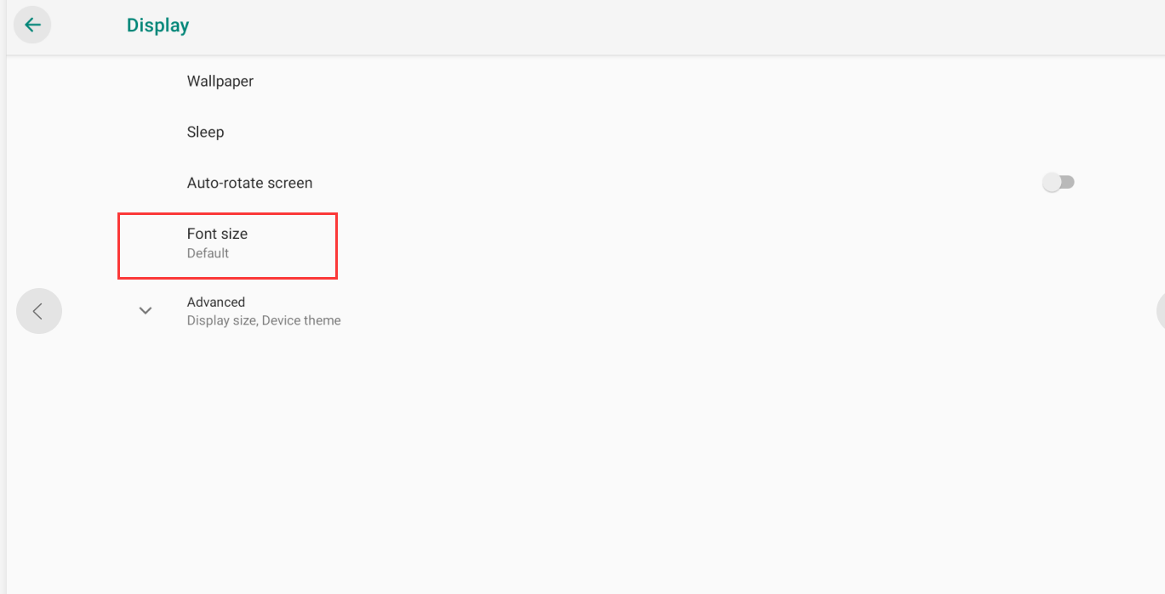 |  | 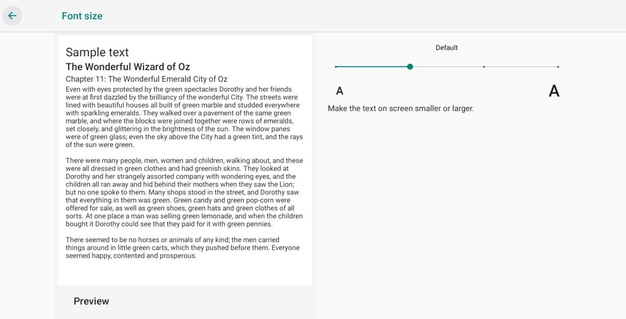
Language | 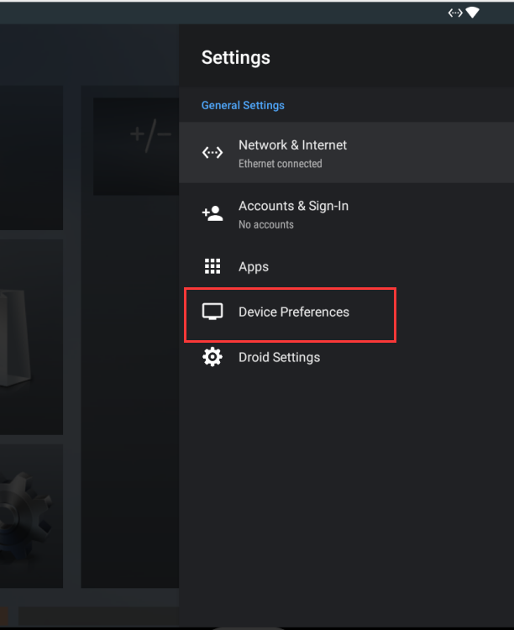 Click on Settings, find "Device Preferences" in the settings and click on this option to find the "Language" option. Languages ​​can be changed in the language options. |  |  |  | 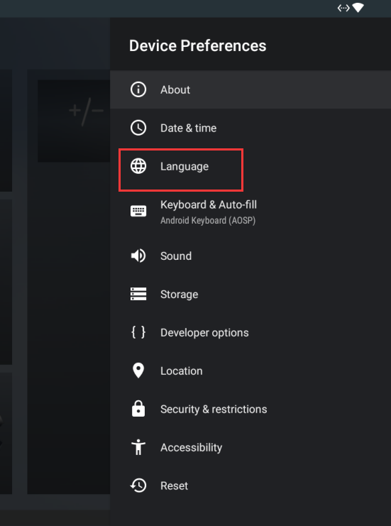 |  | 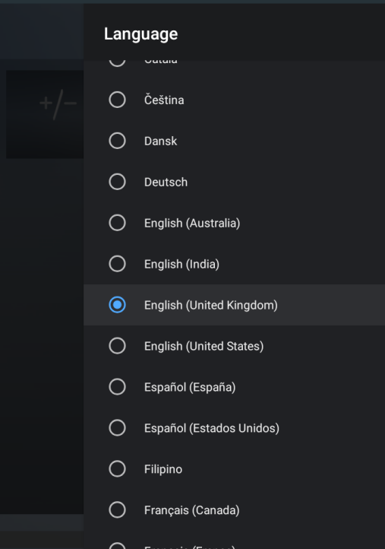

常见问题
选项 | 解决方案
Language modification failure | 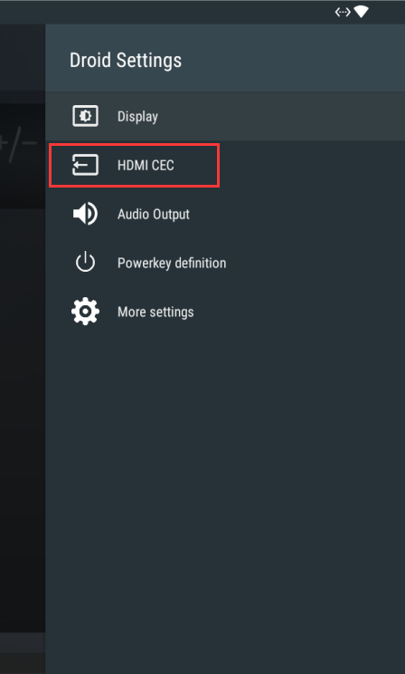 Language cannot be modified |  | 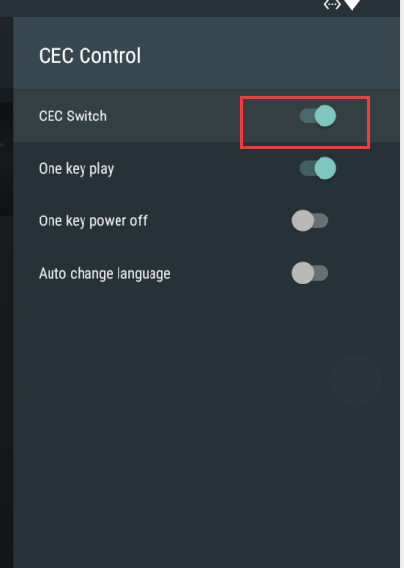
Lighthome failure | 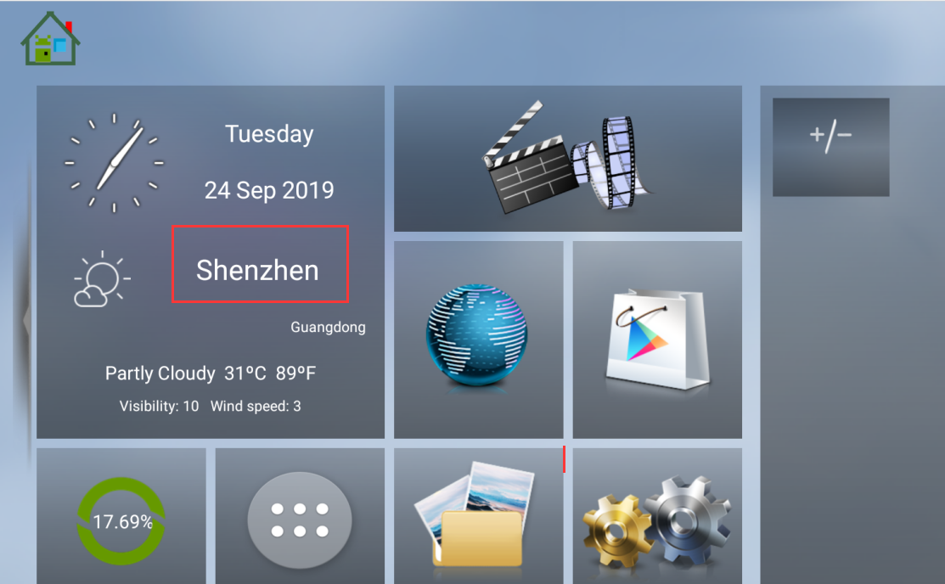 Lighthome failure |  |  |  | 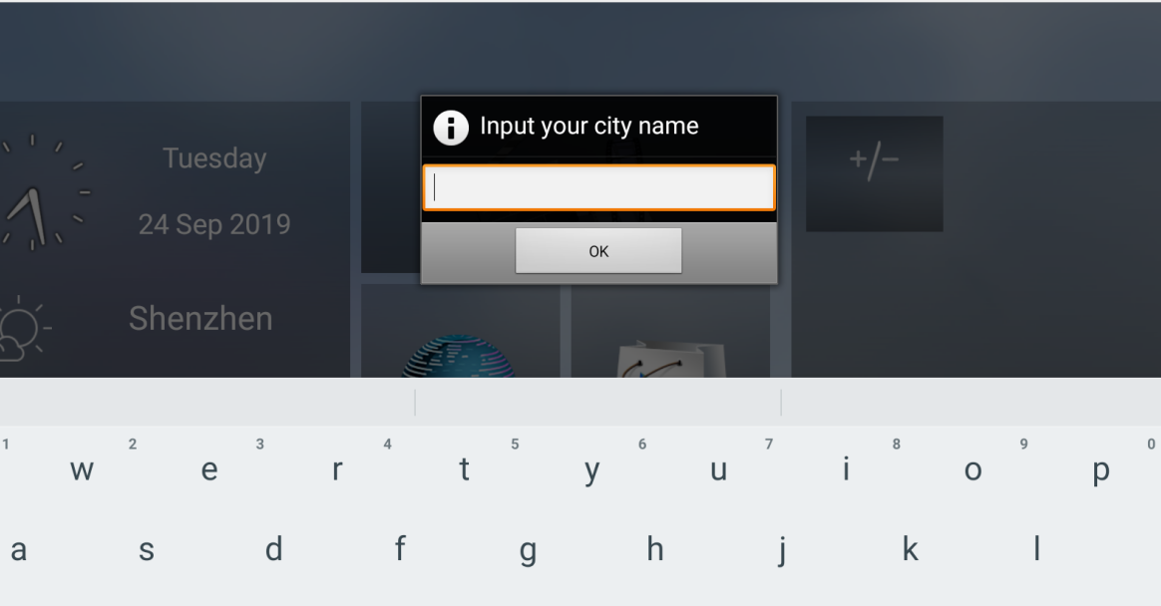 |  |  |  | 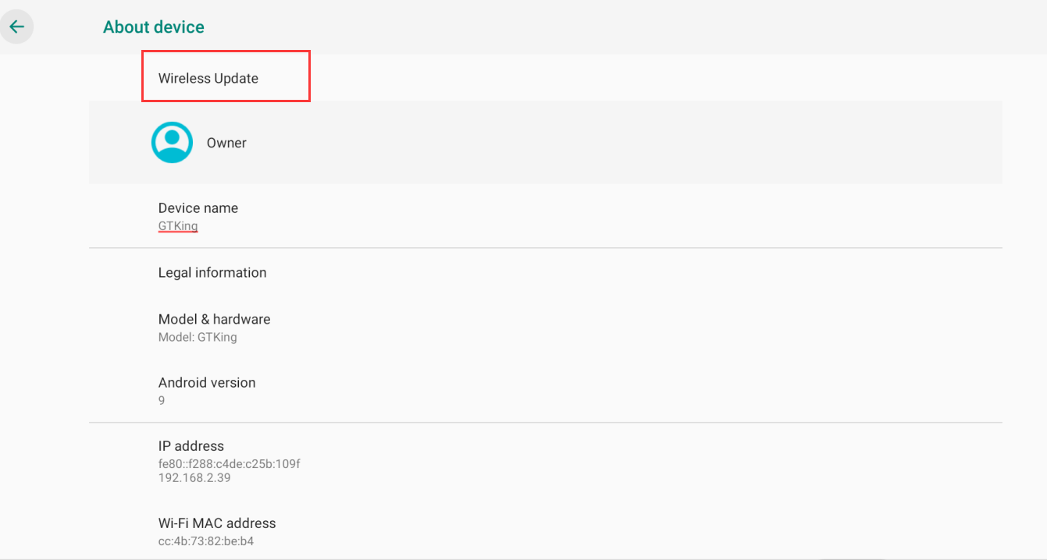 | 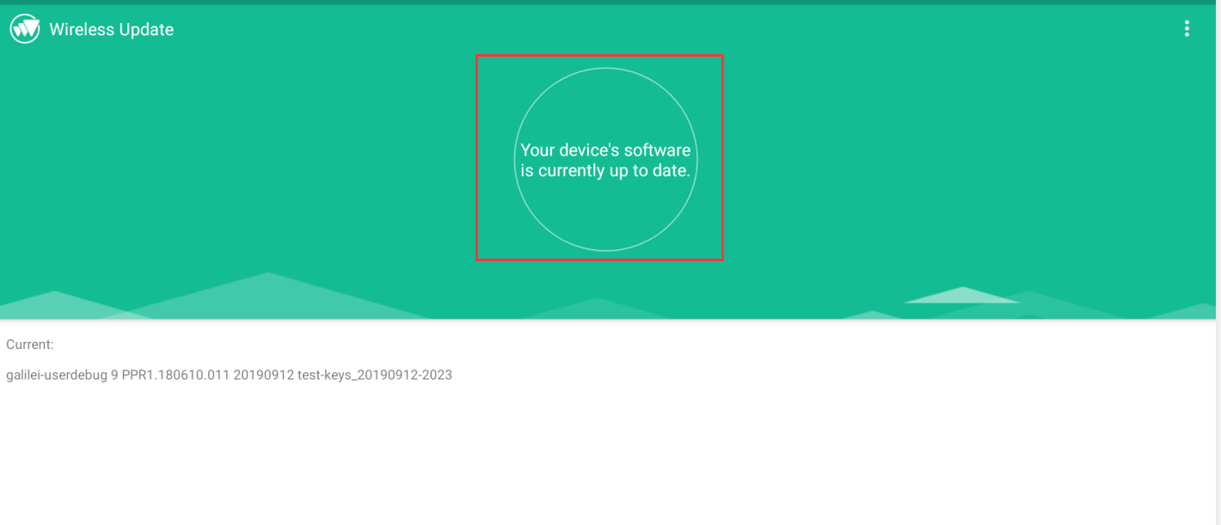
WiFi is not available | The common problem is: WiFi can't be opened, WiFi can't find available network. Solution: Update firmware through OTA. If OTA can't update, you need to download new firmware and update manually. | 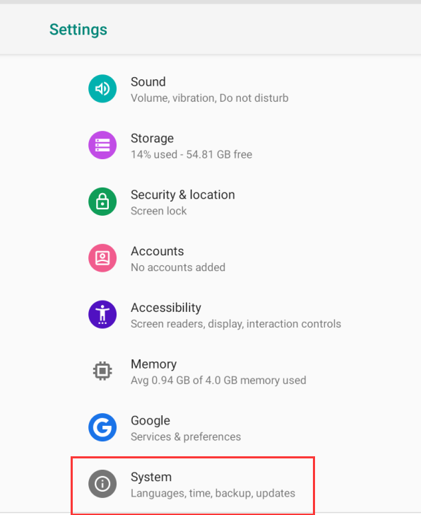 |  | 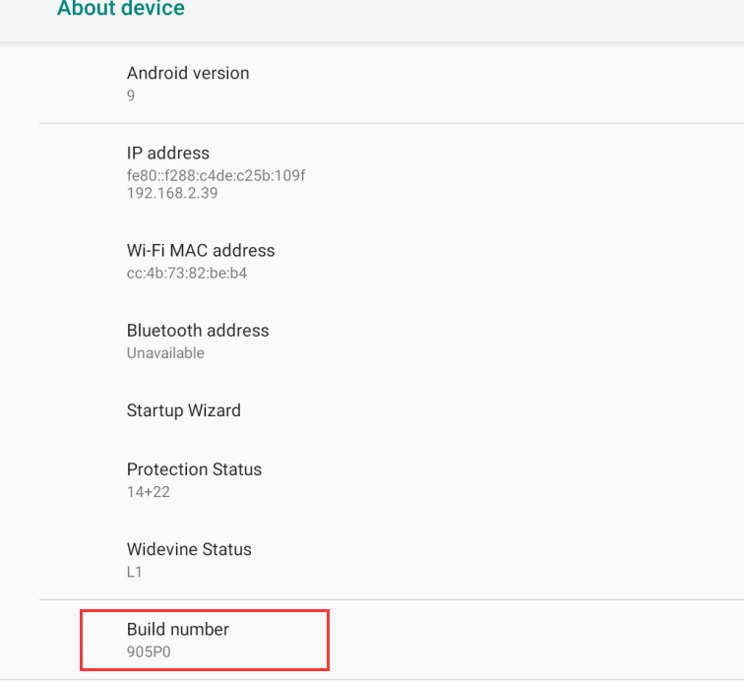 | 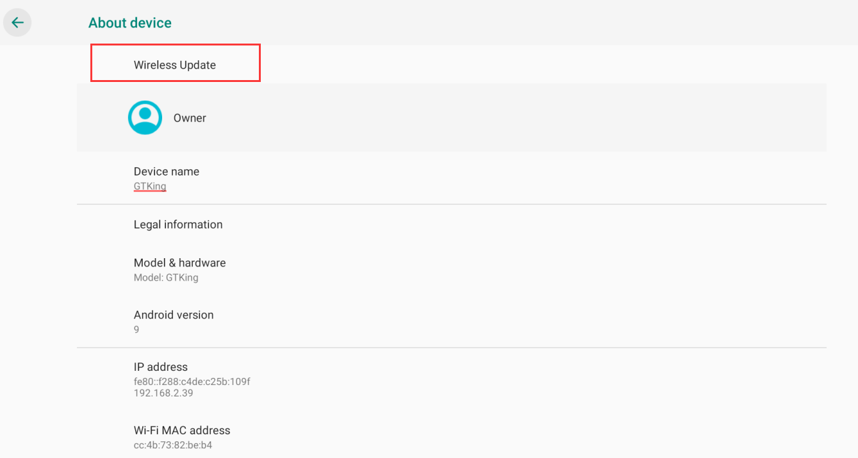 |  |  | 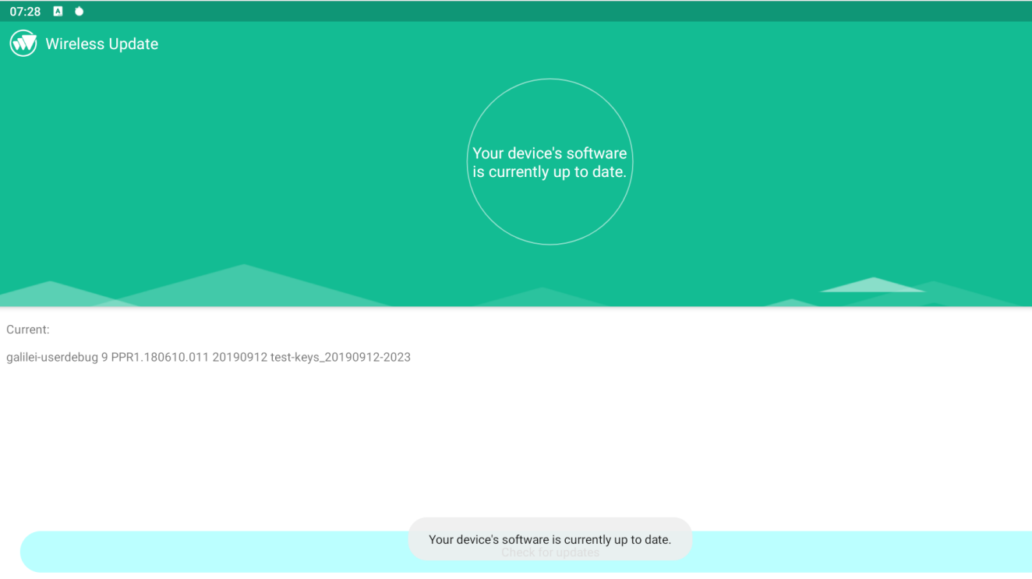
 | USB cable brush tutorial: Need to prepare the hardware: computer, USB cable 1. Download Brush tool: USB_Burning_Tool_V2.1.6.8 Tool download link link: https://beelink-my.sharepoint.com/:f:/g/personal/firmwareservice_beelink_onmicrosoft_com/EvtdCFRICqVOmVR8NJDBLscBSXfQ4_VW83gvH50emxF0iA?e=OoUWKE 2.Download the installation package and save it to your desktop for easy access,follow the wizard prompts to install and complete, the icon appears 3. Right click "Run as administrator". 4. Enter the brush tool interface 5.Click File in the upper left corner and select Import image 6.Load the firmware, click Import image to enter, find the downloaded USB firmware location, select and open 7.After the image checking disappears, the brush package is loaded completely, then click Start. 8. 9.Plug the Type A USB male to male ends into the USB port of the computer, plug the power adapter into the socket, and insert the power adapter and the male to male USB port into the corresponding port of the GT-King at the same time (Note: the GT-King port must be inserted at the same time, otherwise Unable to read firmware properly) 9.Waiting for the loading interface to appear 10.After loading, unplug the USB cable and power cable from the box, click stop, close the tool, and finish the brush.。 SD card brush tutorial Need to prepare the brush hardware: SD card 1.Copy the already loaded SD card flasher firmware into the SD card root directory (the SD card format must be FAT32) 2.Insert the SD card into the SD card slot, plug in the HDMI cable, connect the monitor, plug in the power and turn it on. 3.Go to the home page, click enter the application page 4.Click "UPDATE&BACKUP" and open it check "Wipe Data" and "Wipe Media", then click "Select" Checked after the SD card brush package appears After the following dialog box appears, click "Update" to start the upgrade. Wait for the upgrade to co
How to install new firmware
How to make an OTA update | Settings -> Droid Settings -> More Settings -> System -> About Device -> Wireless Upgrade -> Detect Update
How to modify the power button customization | 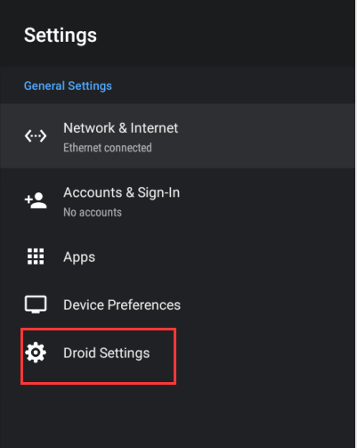 Open the settings, enter Droid Settings, find the power button definition options, after entering this function, you can use the right mouse button to select the function you want to define. |  |  | 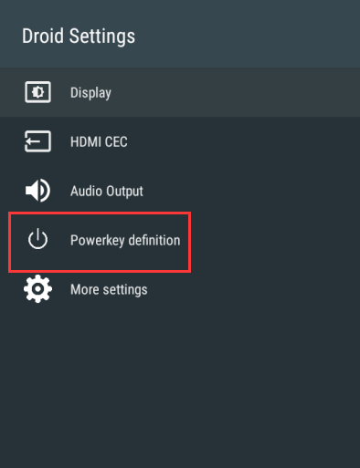 |  | 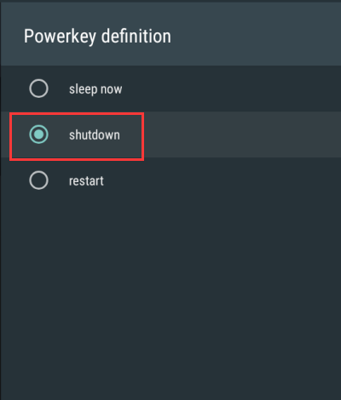
Box time is not accurate | 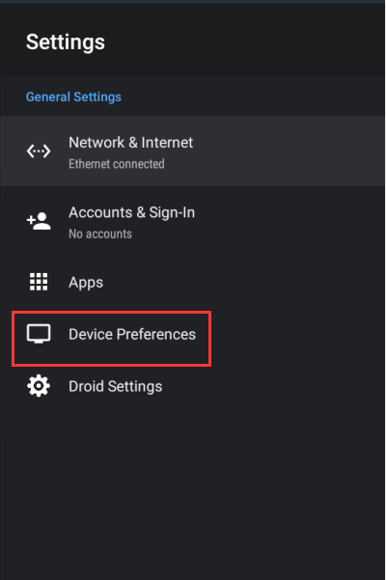 Settings -> Device Preferences -> Time and Date -> Automatically determine the date and time -> Use the time provided by the network |  |  | 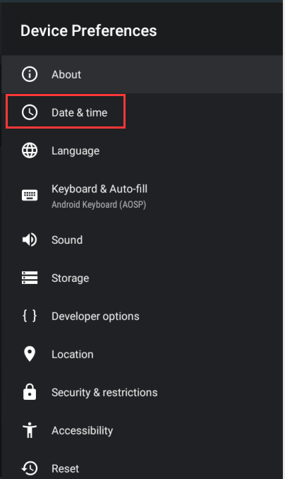 | 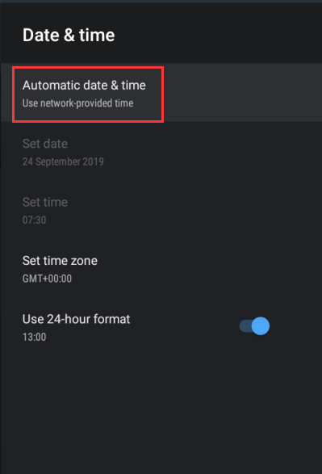 |  | 